Testing
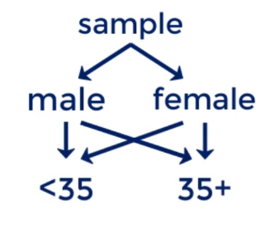
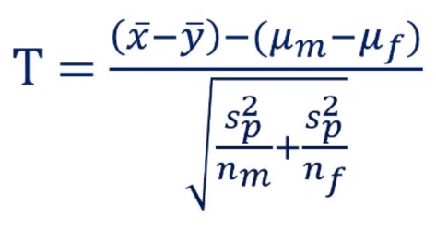
Practical example. Hypothesis testing.
Is there a gender bias in Spark Fortress

Overall | n | Mean | Sample variance | Pooled variance | T-score | p-value
Female | 98 | $65,736.91 | $²1,086,417,843.72 | $²1,146,888,418.06 | 1.27 | 0.103
Male | 76 | $72,300.53 | $²1,225,097,027.53

